BR 1
Bug ID: 1
Bug name: | The radio button "No" is not clickable
Description: | When a user opens the following URL: "https://demoqa.com/elements", then selects the "Radio Button" item on the menu on the left, the "Do you like the site?" text will appear. Three radio buttons: "Yes", "Impressive", and "No" are displayed below, side by side. "Yes" and "Impressive" circular holes are empty, labels are black. "No" circular hole is filled with light gray, and the label is light gray. When the mouse pointer is placed over the button the prohibition sign appears. It is not possible to choose the last option, the "No" button is not clickable, it will not change its color or status when clicked on.
Steps to reproduce: | 1. Open the following URL: "https://demoqa.com/elements" in Chrome browswer
 | 2. Click on the "Radio Button" item on the menu
 | 3. Place mouse pointer over the "No" butoon and click
Expected result: | The button becomes blue with a white dot in the center, the label is black, the message "You have selected No" appears below.
Actual result: | Prohibition sign appears, the label is gray, circle is gray, button is not being selected.
Repro rate: | 100%
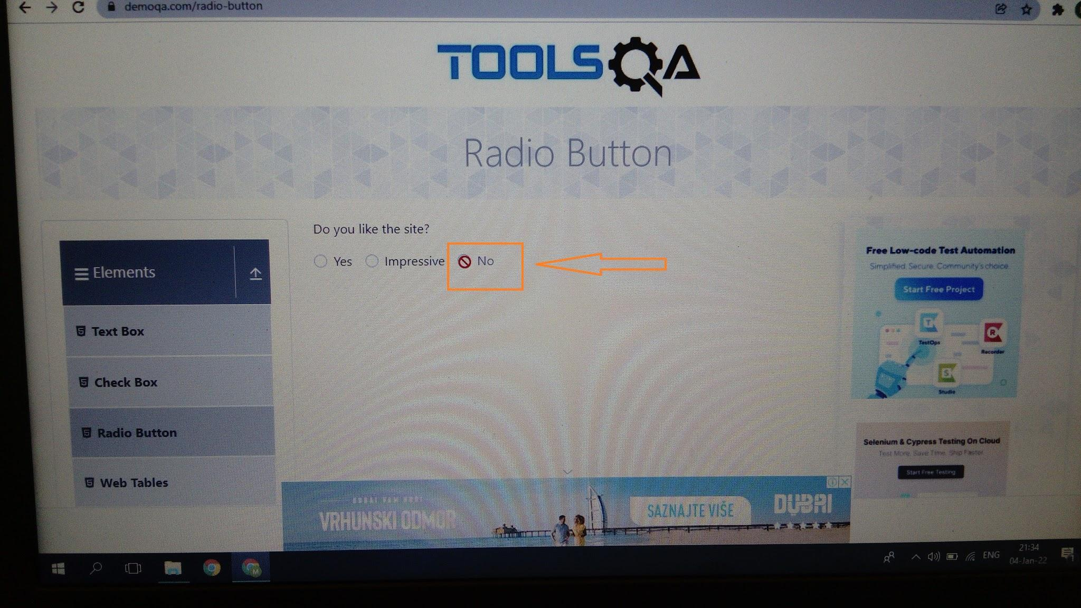
Screenshot:

BR 2
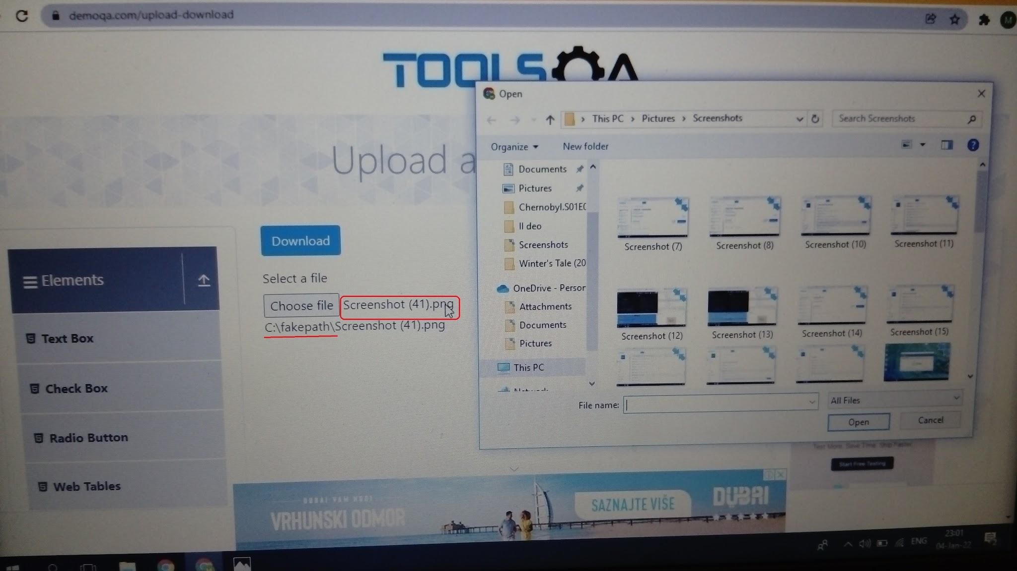
Bug ID: 2
Bug name: | Users cannot upload a file
Description: | When a user opens the following URL: "https://demoqa.com/elements", then selects the "Upload and Download" item on the menu on the left, a blue "Download" button appears. "Select a file" textbox is visible below, with the visible "Choose a file" placeholder, and the message "No file chosen" is on the right side of the box. When the textbox is clicked on, the upload window pops up. When the user chooses a file and clicks on the "Open" button, the "No file chosen" message is replaced by the file name. This file cannot be opened. Every time the user clicks on the file, the upload window pops up again. The fake file path is shown beneath the textbox and begins with "C:\fakepath\".
Steps to reproduce: | 1. Open the following URL: "https://demoqa.com/elements" in Chrome browswer
 | 2. Click on the "Upload and Download" item on the menu
 | 3.Click on the textbox
 | 4.Choose any file and click on "Open" button
 | 5.Click on the file next to the textbox
Expected result: | File opens in new tab
Actual result: | Upload window pops up
Repro rate: | 100%
Screenshot:

BR 3
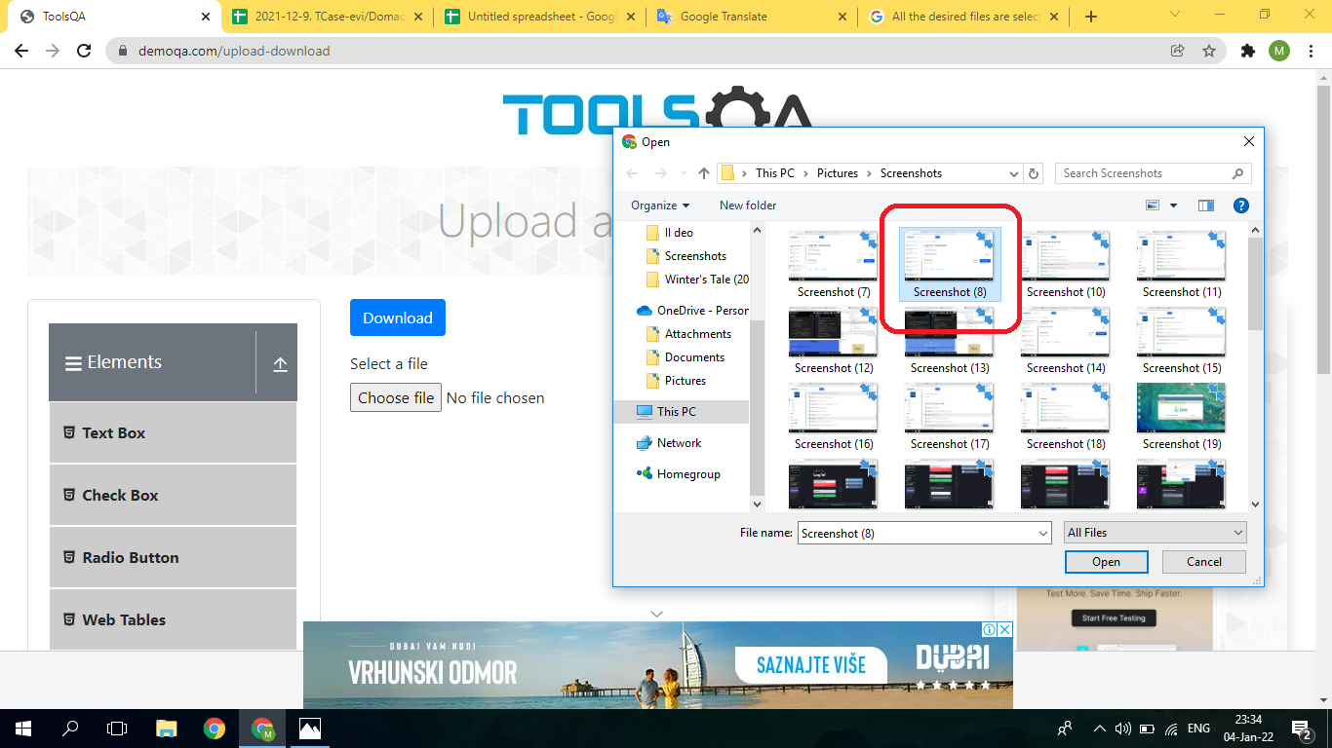
Bug ID: 3
Bug name: | Users cannot select more than one file for uploading
Description: | When a user opens the following URL: "https://demoqa.com/elements" in Chrome browser, then selects the "Upload and Download" item on the menu on the left, clicks on the "Select a file" textbox, the upload window pops up. When the user tries to select more than one file (by holding down the Control key or click-and-drag a box around the files), only the last file being clicked on is selected.
Steps to reproduce: | 1. Open the following URL: "https://demoqa.com/elements" in Chrome browswer
 | 2. Click on the "Upload and Download" item on the menu
 | 3.Click on the textbox
 | 4.Click on a file, then press and hold down the Control key and click on another file
 | 5.Click-and-drag a box around two files
Expected result: | All desired files are selected
Actual result: | Only one file is selected in first case, no selected files in second.
Repro rate: | 100%
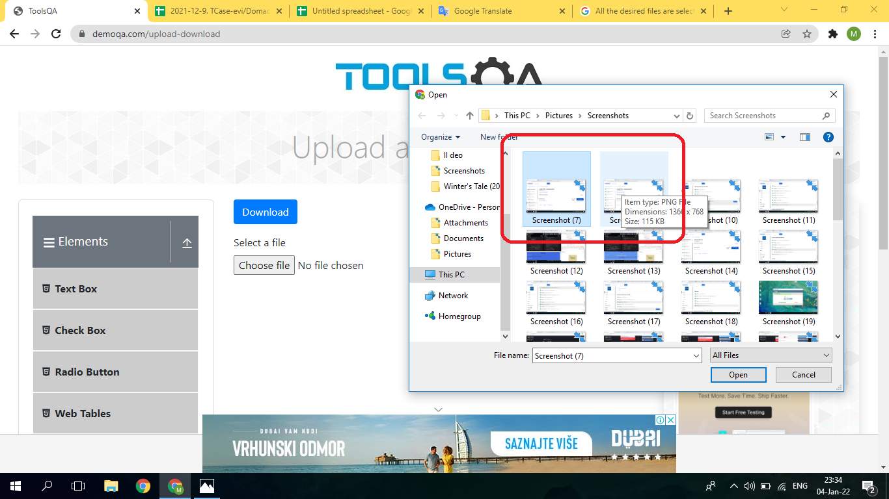
Screenshot:

BR 4
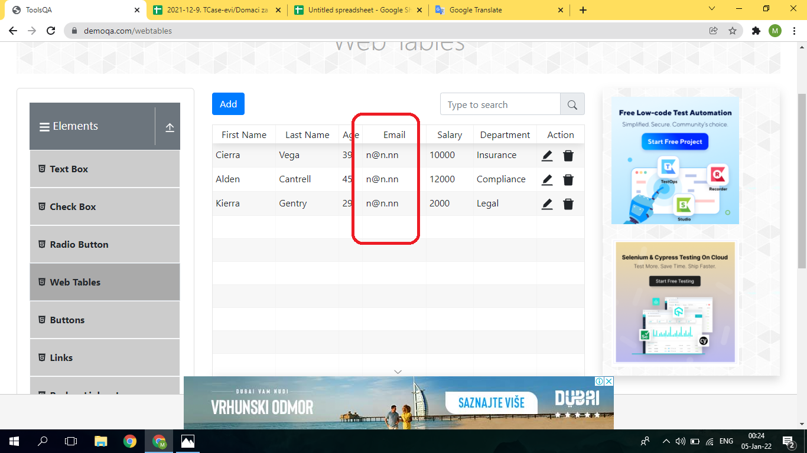
Bug ID: 4
Bug name: | Users can edit the email column in the "Web Tables" section by using only one incorrect email address
Description: | When a user opens the following URL: "https://demoqa.com/elements" in Chrome browser, then selects the "Web Tables" item on the menu on the left, a table appears. The user then clicks the editing symbol in the first row and the editing form appears. Then he deletes the existing email and enters an incorrect one (example: n@n.nn) and clicks the "Submit" button. He repeats the editing procedure for every person / every row in the table. In the end, it is visible that every person in the table has the same incorrect email.
Steps to reproduce: | 1. Open the following URL: "https://demoqa.com/elements" in Chrome browswer
 | 2. Click the "Web Tables" on the menu
 | 3.Click the editing symbol in the first row
 | 4. Delete the existing email address, enter the incorrect one (n@n.nn), and submit
 | 5. Repeat steps 3. and 4. for the second and the third row of the table (for the other two persons in the table)
Expected result: | Textbox frame is red, exclamation mark appears.
Actual result: | All the emails are changed to be the same and incorrect
Repro rate: | 100%
Screenshot:

BR 5
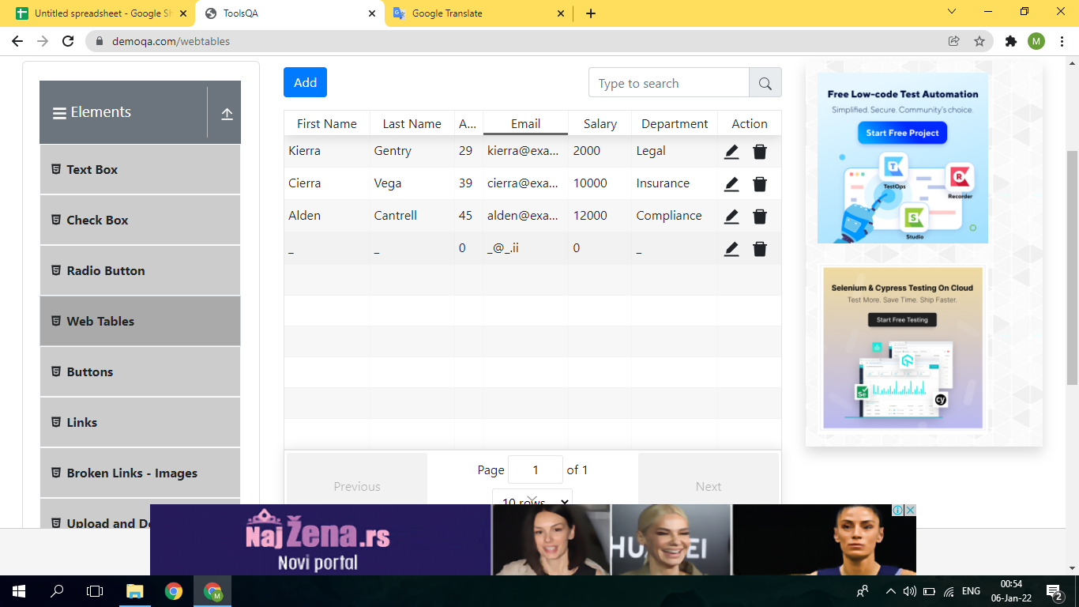
Bug ID: 5
Bug name: | A new row in the table can be added by using invalid entries
Bug name: | When a user opens the following URL: "https://demoqa.com/elements" in Chrome browser, then selects the "Web Tables" on the menu on the left, a table appears. The user clicks the "Add" button above the table and the registration form window pops up. The user enters the "_" sign in the "First Name", "Last Name" and "Department" textboxes, "0" in the "Age" and "Salary" and "_@_.ii" in the "Email" textbox. After clicking the "Submit" button, the new row containing mentioned invalid data is visible at the end of the table.
Steps to reproduce: | 1. Open the following URL: "https://demoqa.com/elements" in Chrome browswer
 | 2. Click the "Web Tables" on the menu
 | 3. Click the blue "Add" button above the table
 | 4. Enter a sign in the "First Name", "Last Name" and "Department" textboxes (example: _)
 | 5. Enter "0" in the "Age" and "Salary" textboxes
 | 6. Enter incorect email (example: _@_.ii)
 | 7. Click the "Submit" button
Expected result: | The "Registration Form" window is still open, textbox frames are red and contain a red exclamation sign.
Actual result: | The new row is added and visible at the bottom of the table
Repro rate: | 100%
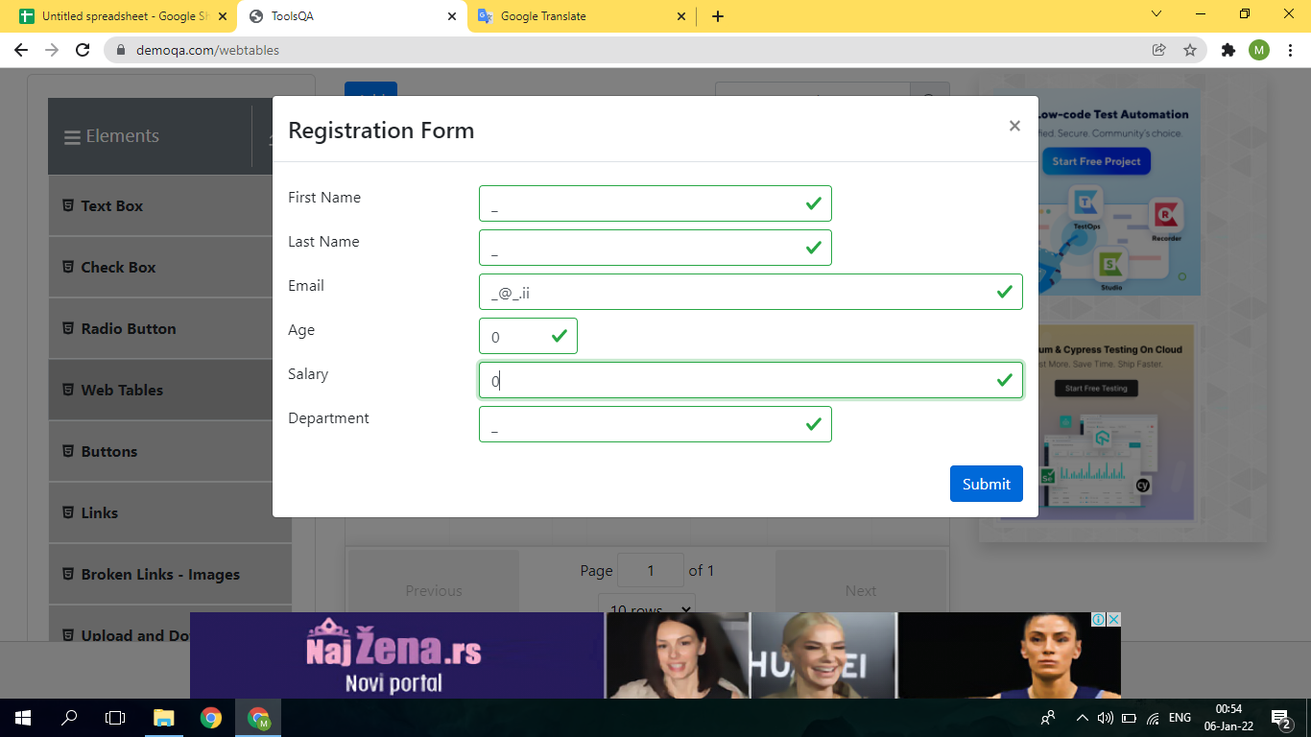
Screenshot:

BR 6
Bug ID: 6
Bug name: | A user can add the same row (the same person) to the table more than once
Description: | When a user opens the following URL: "https://demoqa.com/elements" in Chrome browser, then selects the "Web Tables" on the menu on the left, a table appears. The user clicks the "Add" button above the table, and the"Registration form" window pops up. He fills up the form, then submits, and repeats the same adding procedure with the same entries four more times. Five identical rows are added to the table.
Steps to reproduce: | 1. Open the following URL: "https://demoqa.com/elements" in Chrome browswer
 | 2. Click the "Web Tables" on the menu
 | 3. Click the blue "Add" button above the table
 | 4. Fill in the form (example: Miljana, Savic, m@savic.ms, 40, 118000, HR) and submit
 | 5. Repeat steps 3 and 4 four more times
Expected result: | When trying to make another row with the identical entries, the form won't submit. The program informs a user that the person they are trying to add already exists in the table.
Actual result: | Five new rows were added to the table, displaying identical entries.
Repro rate: | 100%
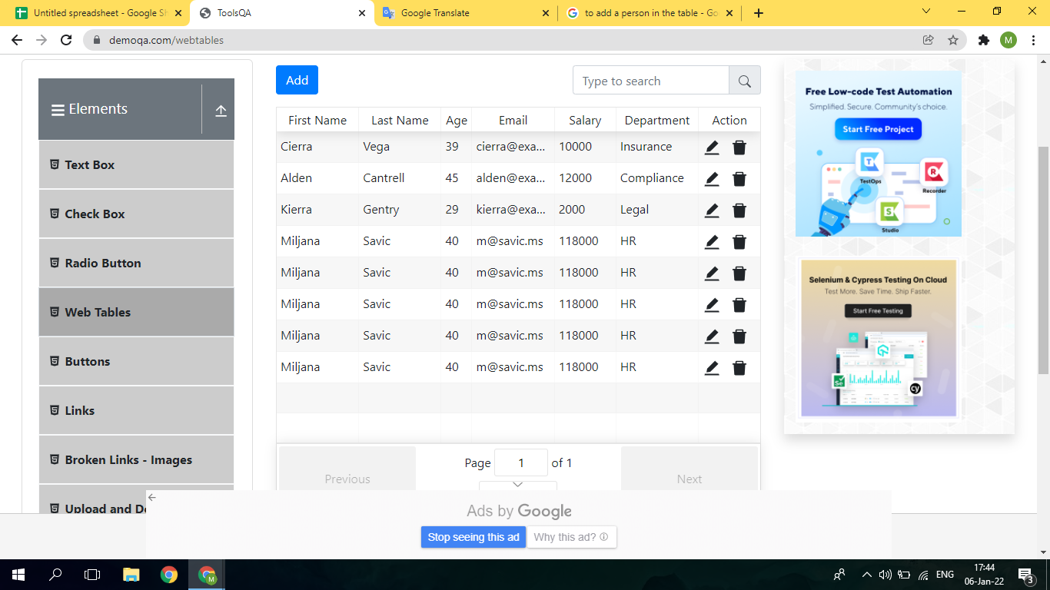
Screenshot:

BR 7
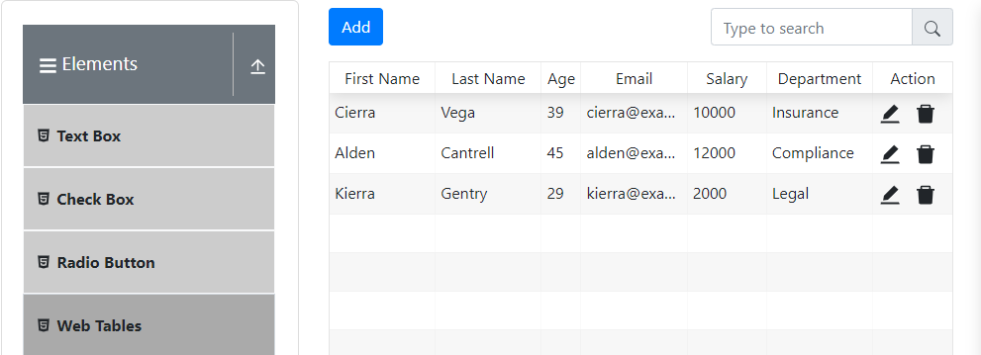
Bug ID: 7
Bug name: | A user can not make lasting changes in the "Web Table" table
Description: | When a user opens the following URL: "https://demoqa.com/elements" in Chrome browser, then selects the "Web Tables" on the menu on the left, a table appears. The user then clicks the editing symbol in the first row and the editing form appears. He changes age to be "0" and deletes the second row; leaves the page by clicking the "Check Box" on the menu, and clicks again the "Web Tables" section. The table appears, but changes are no longer visible, the table shows original data.
Steps to reproduce: | 1. Open the following URL: "https://demoqa.com/elements" in Chrome browswer
 | 2. Click the "Web Tables" on the menu
 | 3. Click the editing symbol in the first row
 | 4. Delete the age in the "Age" textbox and click "Submit" button
 | 5. Click delete icon in the second row
 | 6. Click the "Check Box" on the manu on the left
 | 7. Click the "Web Tables" on the menu
Expected result: | Changes the user previously made are visible in the table
Actual result: | The table shows original data, with no sign of editing a user has just made.
Repro rate: | 100%
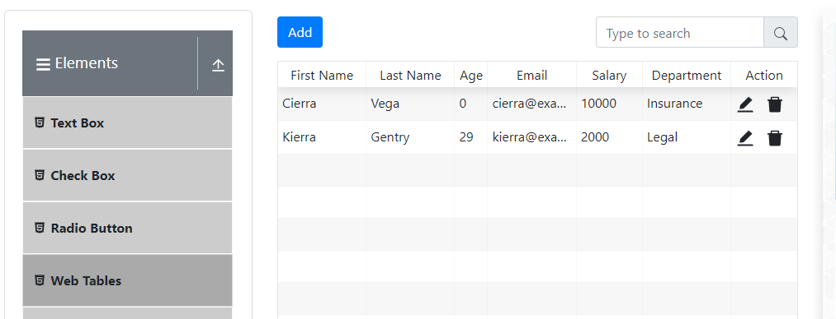
Screenshot:

BR 8
Bug ID: 8
Bug name: | The matching message does not appear every time a user clicks a button
Description: | When a user opens the following URL: "https://demoqa.com/elements" in Chrome browser, then selects the "Buttons" on the menu on the left, three buttons appear. Whenever is a button clicked for the first time, a matching message appears below the buttons. When the buttons are clicked again, there are no new messages.
Steps to reproduce: | 1. Open the following URL: "https://demoqa.com/elements" in Chrome browswer
 | 2. Click the "Web Tables" on the menu
 | 3. Click the "Double Click Me" in the required manner
 | 4. Click the "Right Click Me" in the required manner
 | 5. Click the "Click Me" in the required manner
 | 6. Click the "Double Click Me" in the required manner again
 | 7. Click the "Right Click Me" in the required manner again
 | 8. Click the "Click Me" in the required manner again
Expected result: | The "You have done a double click", "You have done a right-click", "You have done a dynamic click" messages appear again, beneath the displayed messages. And every time a user clicks a button, its message appears.
Actual result: | No new messages are displayed.
Repro rate: | 100%
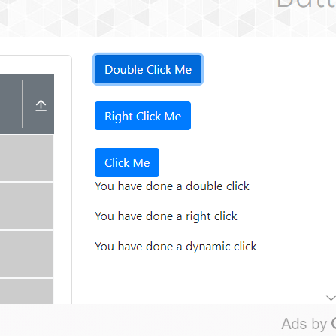
Screenshot:

BR 9
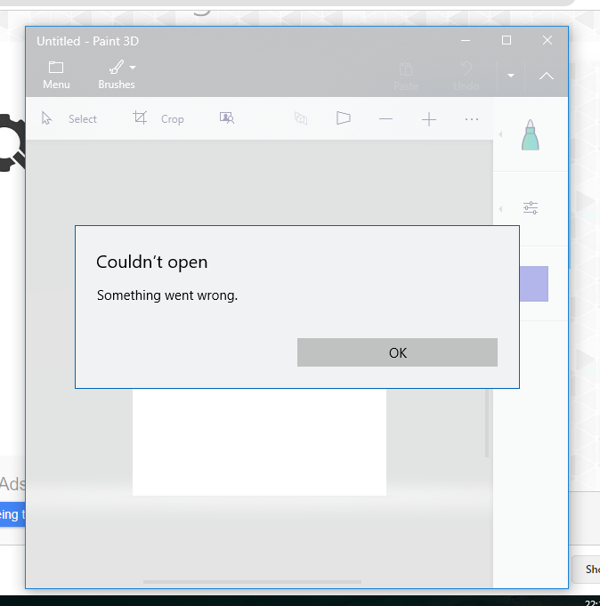
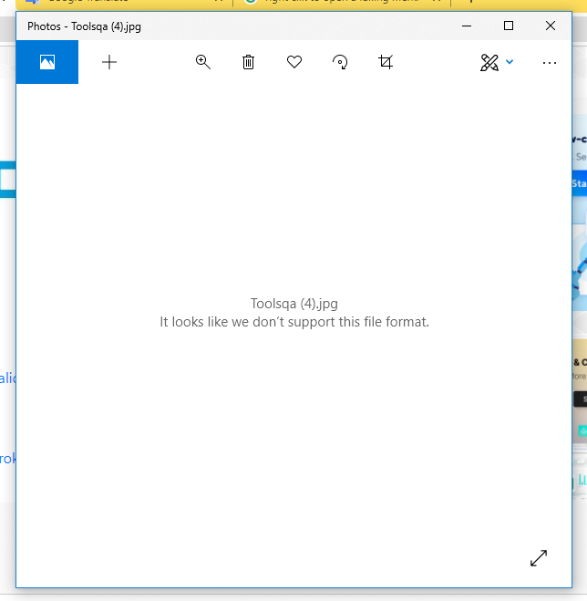
Bug ID: 9
Bug name: | Downloaded "Valid image" cannot be opened.
Description: | When a user opens the following URL: "https://demoqa.com/elements" in Chrome browser, then selects the "Broken Links - Images" on the menu on the left, examples of a valid image, broken image, valid link, and broken link are listed one below the other, with an explanatory .When a jpg image that is displayed as an example for a valid image in "Broken Links - Images" is downloaded, an image viewing program cannot open this image. The image format is reported as not being supported.
Steps to reproduce: | 1. Open the following URL: "https://demoqa.com/elements" in Chrome browswer
 | 2. Click the "Broken Links - Images" on the menu
 | 3. Right click the valid image to save as
 | 4. Clik the "Save" button in "Save as" window
 | 6. Right click on the image name in the "Downloads" tab and choose "Show in folder" option
 | 7. Right click on the image name in the "Downloads" folder to choose a program (example: Paint, Paint 3D, Photos)
Expected result: | Image is diplayed in a chosen program
Actual result: | Programs can not read the file
Repro rate: | 100%
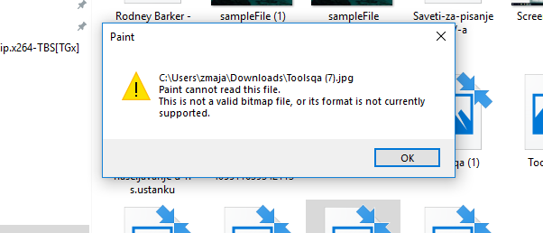
Screenshot:

BR 10
Bug ID: 10
Bug name: | A user can submit the form with only an invalid permanent address
Description: | When a user opens the following URL: "https://demoqa.com/elements" in Chrome browser, then selects the "Text Box" on the menu on the left, a form with 4 (Full Name, Email, Current Address, Permanent Address) fields appears.The user can submit the form with an invalid permanent address while leaving other fields empty.
Steps to reproduce: | 1. Click the "Text Box" item on the menu
 | 2. Enter an invalid address/ a sign in the "Permanent Address" field. (example: .)
 | 3. Click the blue "Submit" button below the form, on the right
Expected result: | The first three field frames are red with an exclamation sign. The "Permanent Address" field frame is also red, the message "Invalid Address" appears below.
Actual result: | The Form was submitted successfully. The new entry is visible below the text boxes.
Repro rate: | 100%
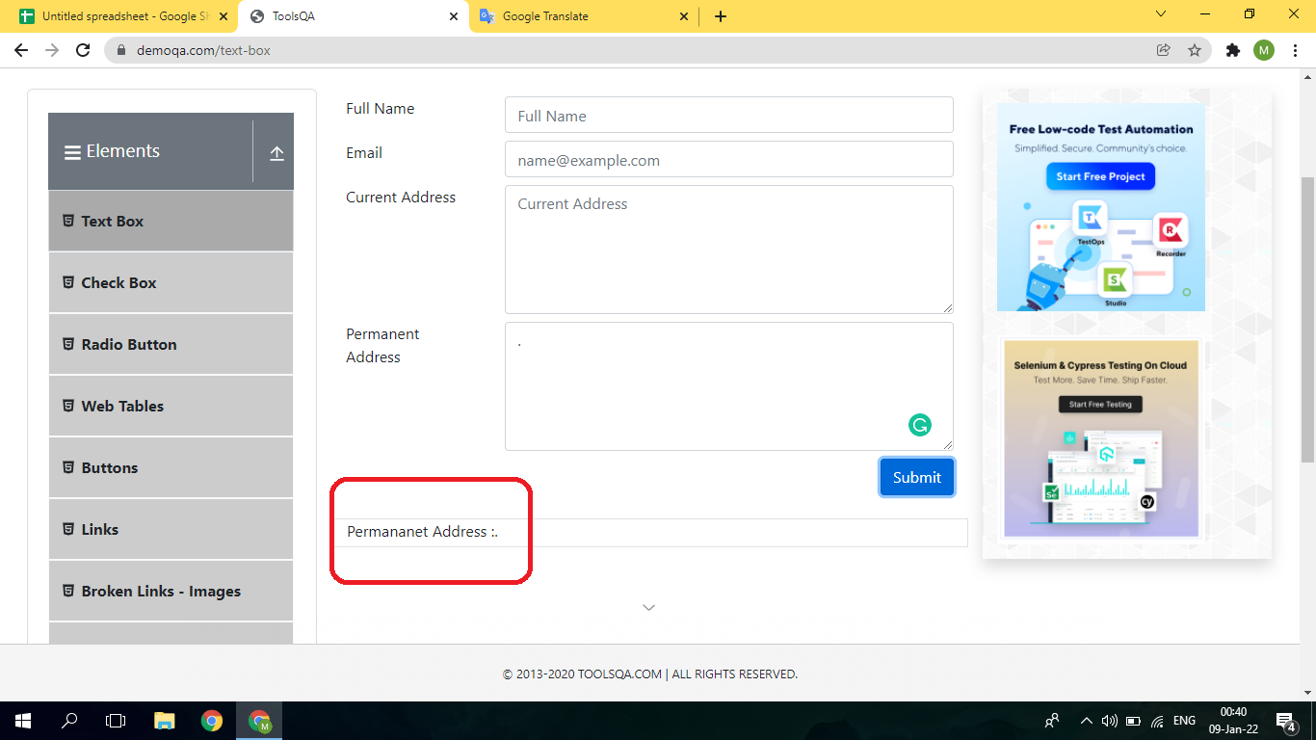
Screenshot:

BR 11
Bug ID: 11
Bug name: | Page become comletely blank after deleting the offered date in the "Date of Birth" field.
Description: | When a user opens the following URL: "https://demoqa.com/forms" in Chrome browser, then selects the "Practice Form" on the menu on the left, the "Student Registration Form" opens. When a user tries to delete an offered date in the "Date of Birth" box, since it will not disappear as placeholders in other fields, and the user does not want to use a calendar, the whole page will become blank and would be necessary to refresh it.
Steps to reproduce: | 1. Click the "Practice Form" on the menu
 | 2. Select the displayed current date in the "Date of Birth" field with a mouse, and click a backspace on the keyboard.
Expected result: | The field is empty, the cursor is visible in the left corner.
Actual result: | The page is blank.
Repro rate: | 100%
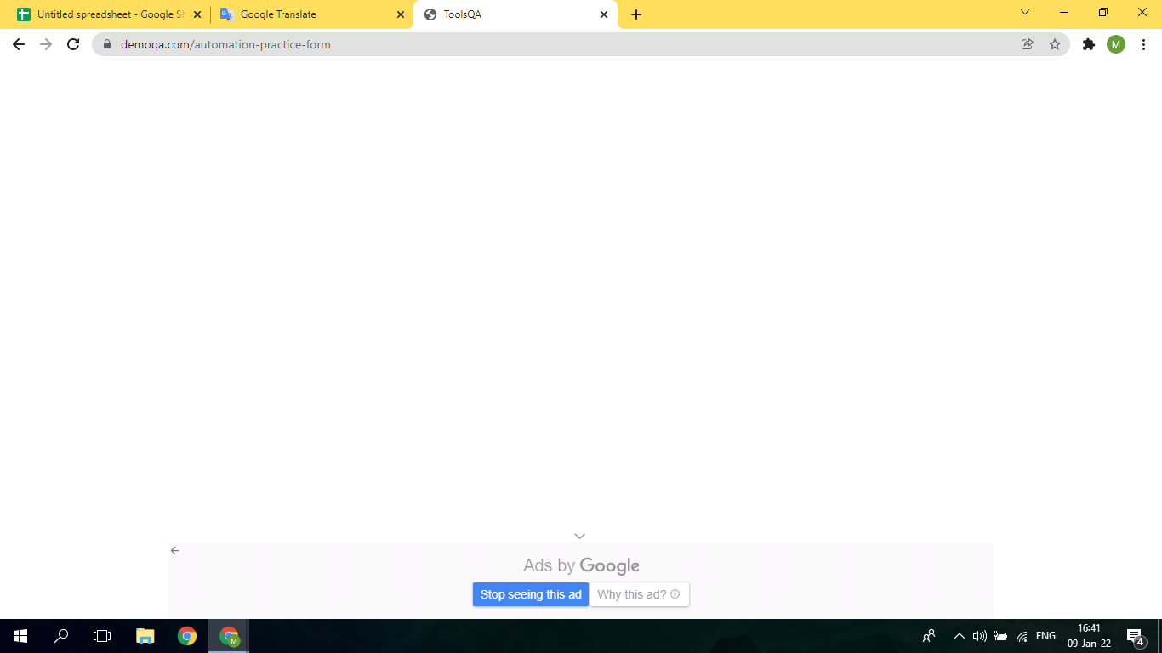
Screenshot:

